POS
Lista prisotnosti, 24 - 26.4.2012, POS
Interno certificiranje

Treshold
51% | JUNIOR CONSULTANT GOODS AND SERVICES | (+needed extra components for SD: GOODS, SERVICE, ORDERS)
75% | SENIOR CONSULTANT GOODS AND SERVICES | (+needed extra components for SD: GOODS, SERVICE, ORDERS)
90% | PA SPECIALIST | (90% POS)

Modul | Ime in priimek | država | rezultat
POS | Jure Bovha | SI | 100.00%
POS | Aneta Dolinska | MK | 44.00%
POS | Miroslav Milanović | SD | 85.00%
POS | Ljiljana Vujčić | SR | 75.00%
POS | Sretan Bošković | MN | 92.00%
POS | Aleksander Hafner | SI | 58.50%
POS | Anja Nose | SI | 62.00%
POS | Leonida Kraševec | SI | 78.00%
POS | Brigita Meglič | SI | 74.50%
POS | Saša Jaklin | HR | 92.00%

HR/SI |  |  |  | ALL

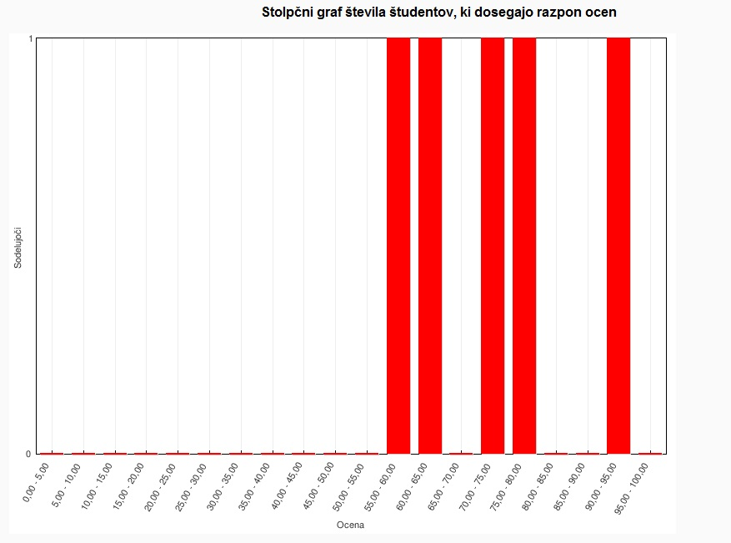
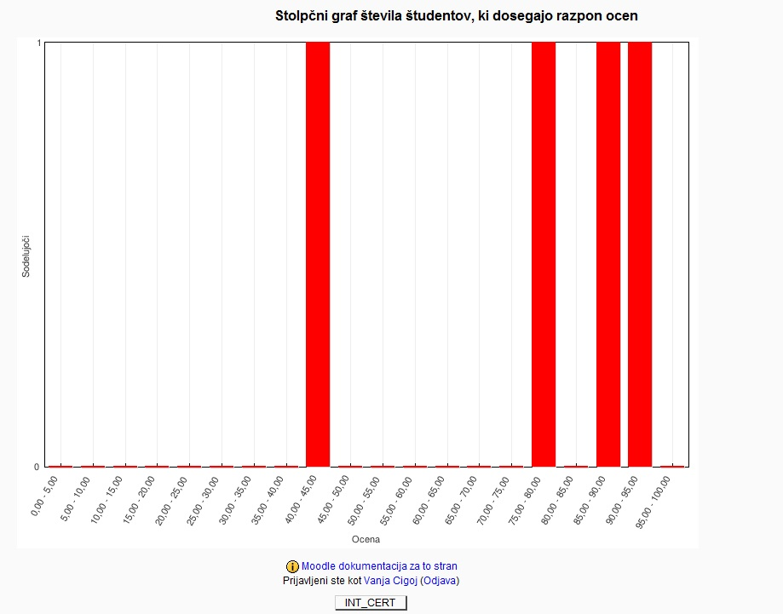

GOODS
Lista prisotnosti, 24 - 26.4.2012, GOODS
Interno certificiranje

Treshold
51% | JUNIOR CONSULTANT GOODS AND SERVICES | (+needed extra components for SD: POS, SERVICE, ORDERS)
75% | SENIOR CONSULTANT GOODS AND SERVICES | (+needed extra components for SD: POS, SERVICE, ORDERS)
90% | PA SPECIALIST | (90% GOODS)

Modul | Ime in priimek | država | rezultat
GOODS | Saša Jaklin | HR | 100%
GOODS | Ema Toševska | MK | 100%
GOODS | Aneta Dolinska | MK | 97%
GOODS | Elvis Musić | MN | 94%
GOODS | Nikola Obradović | MN | 94%
GOODS | Sretan Bošković | MN | 94%
GOODS | Danko Obradović | MN | 84%
GOODS | Tamara Musterović | MN | 94%
GOODS | Miroslav Milanović | SR | 100%
GOODS | Leonida Kraševec | SI | 90%
GOODS | Ljiljana Vujčić | SR | 96%
GOODS | Slavica Simić | SR | 98%
GOODS | Andrej Črne | SI | 100%

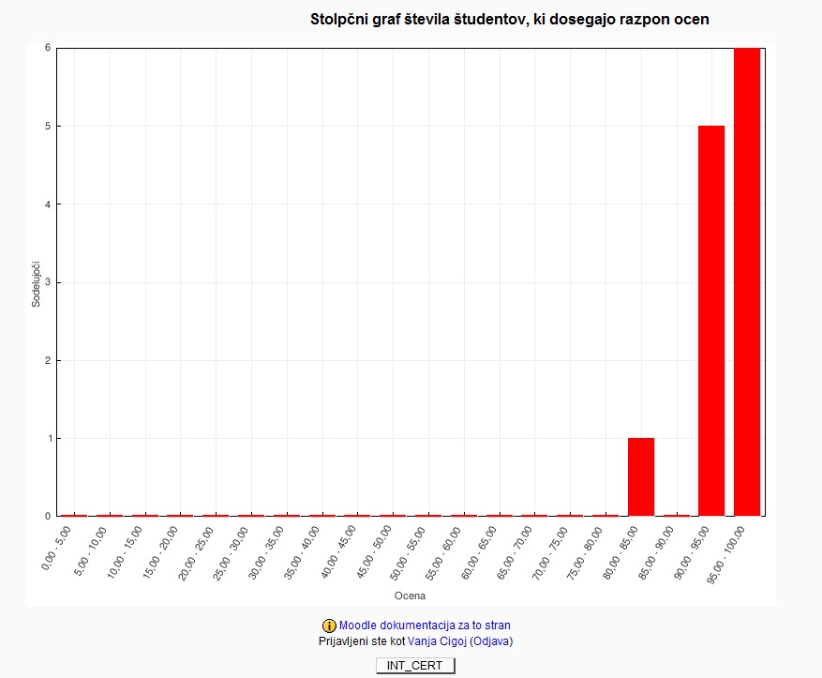

ORDERS
Lista prisotnosti, 24 - 26.4.2012
Interno certificiranje

Treshold
51% | JUNIOR CONSULTANT GOODS AND SERVICES | (+needed extra components for SD: POS, SERVICE, GOODS)
75% | SENIOR CONSULTANT GOODS AND SERVICES | (+needed extra components for SD: POS, SERVICE, GOODS)
90% | PA SPECIALIST | (90% ORDERS)

Modul | Ime in priimek | država | rezultat
ORDERS | Saša Jaklin | HR | 100%
ORDERS | Aneta Dolinska | MK | 100%
ORDERS | Miroslav Milanović | SR | 100%
ORDERS | Ema Toševska | MK | 100%
ORDERS | Anja Nose | SI | 49%
ORDERS | Sretan Bošković | MN | 84%
ORDERS | Nikola Obradović | MN | 94%
ORDERS | Elvis Musić | MN | 90%
ORDERS | Leonida Kraševec | SI | 85%
ORDERS | Milica Petrova | MK | 92%
ORDERS | Brigita Meglič | SI | 56%
ORDERS | Miha Zalokar | SI | 91%
ORDERS | Emilija Petkovska | SI | 100%

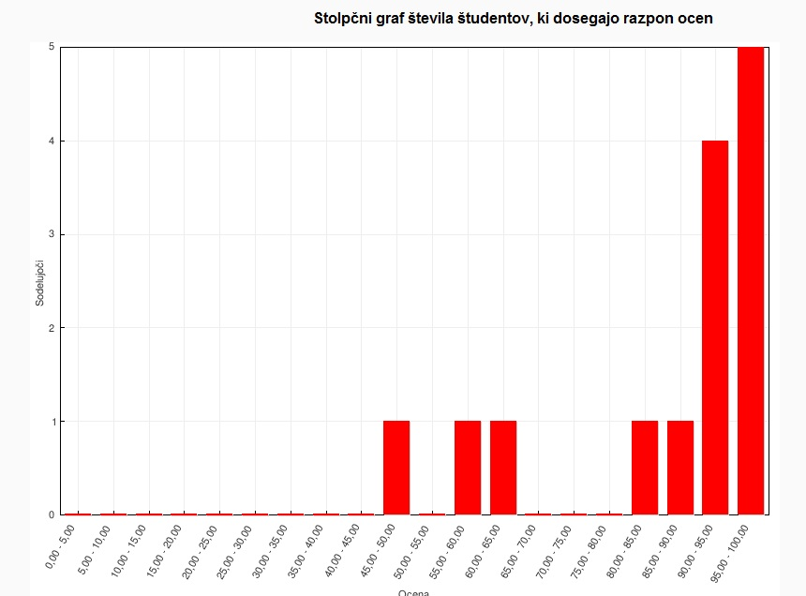

Servis
Lista prisotnosti, 24 - 26.4.2012
Interno certificiranje

Treshold
Treshold
51% | JUNIOR CONSULTANT GOODS AND SERVICES | (+needed extra components for SD: POS, ORDERS, GOODS)
75% | SENIOR CONSULTANT GOODS AND SERVICES | (+needed extra components for SD: POS, ORDERS, GOODS)
90% | PA SPECIALIST | (90% SERVIS)

Modul | Ime in priimek | država | rezultat
SERVIS | Ema Toševska | MK | 100%
SERVIS | Miha Zalokar | SI | 92%
SERVIS | Saša Jaklin | HR | 92%
SERVIS | Nikola Obradović | MN | 95%

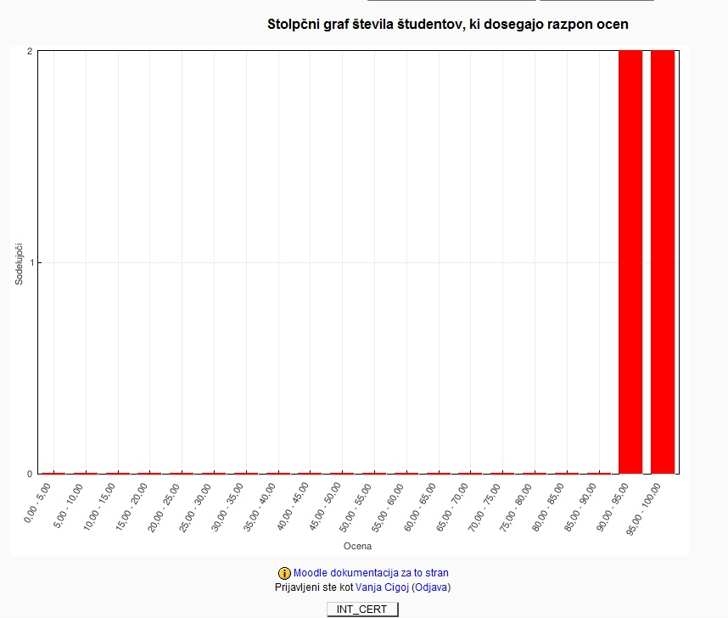

ACCOUNTING
Lista prisotnosti, 24 - 26.4.2012, ACCOUNTING
Interno certificiranje

Treshold
51% | JUNIOR CONSULTANT ACCOUNTING
75% | SENIOR CONSULTANT ACCOUNTING
90% | PA SPECIALIST

Modul | Ime in priimek | država | rezultat
ACCOUNTING | Vesna Rota Lebar | SI | 80.00%
ACCOUNTING | Brigita Meglič | SI | 75.00%
ACCOUNTING | Leonida Kraševec | SI | 95.00%
ACCOUNTING | Slavica Simić | SR | 100.00%
ACCOUNTING | Danko Obradović | MN | 95.00%
ACCOUNTING | Tamara Musterović | MN | 100.00%
ACCOUNTING | Sretan Bošković | MN | 95.00%
ACCOUNTING | Ema Toševska | MK | 100.00%
ACCOUNTING | Emilija Petkovska | MK | 100.00%
ACCOUNTING | Nikola Obradović | MN | 90.00%
ACCOUNTING | Miroslav Milanović | SR | 100%
ACCOUNTING | Ivana Dimitrijević | MK | 100%
ACCOUNTING | Melisa Smajić | BA | 70%

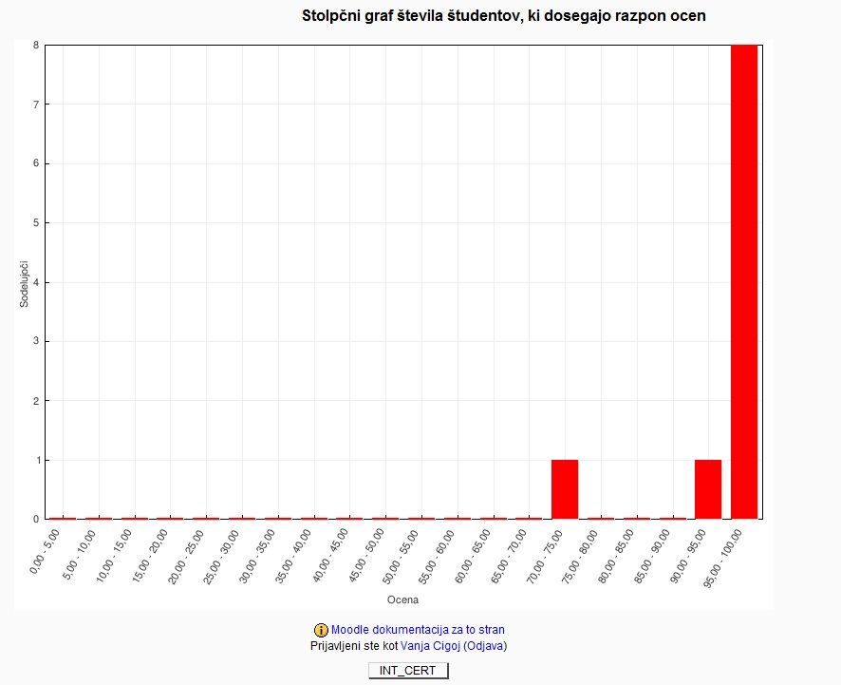
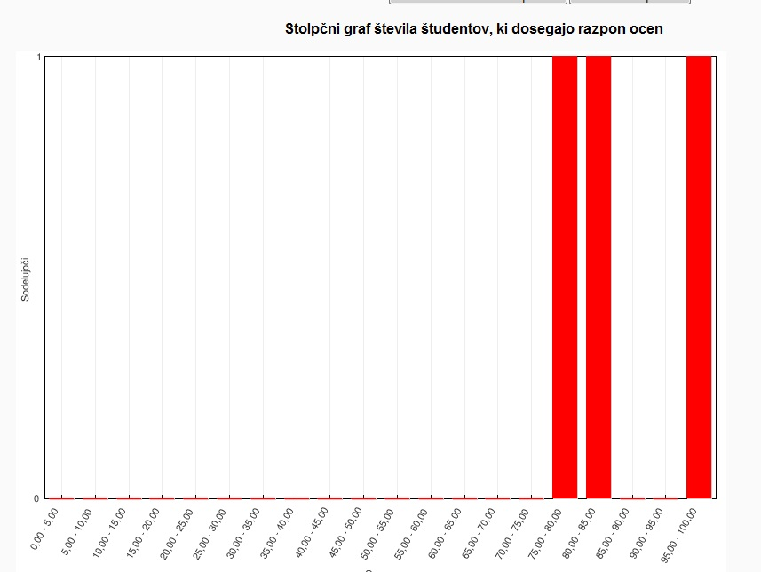

VAT
Lista prisotnosti, 24 - 26.4.2012, VAT GENERAL |  |  |  | Lista prisotnosti, 24 - 26.4.2012, VAT SI with LEGISLATION
Interno certificiranje |  |  |  | Interno certificiranje

Treshold |  |  |  | Treshold
51% | JUNIOR CONSULTANT VAT GENERAL (knowledge of legislation is not tested) |  |  | 51% | JUNIOR CONSULTANT VAT (legislation knowledge included)
75% | JUNIOR CONSULTANT VAT GENERAL (knowledge of legislation is not tested) |  |  | 75% | SENIOR CONSULTANT VAT (legislation knowledge included)
90% | PA SPECIALIST VAT GENERAL (knowledge of legislation is not tested)

Modul | Ime in priimek | država | rezultat | Modul | Ime in priimek | država | profil | rezultat
VAT | Danko Obradović | MN | 100% | VAT | Brigita Meglič | SI | SD | 41%
VAT | Tamara Musterović | MN | 100% | VAT | Vesna Rota Lebar | SI | PSS | 25%
VAT | Elvis Musić | MN | 100% |  |  |  |  | 33%
VAT | Nikola Obradović | MN | 100%
VAT | Sretan Bošković | MN | 100%
VAT | Slavica Simić | SR | 100%
VAT | Ivana Dimitrijević | MK | 90%

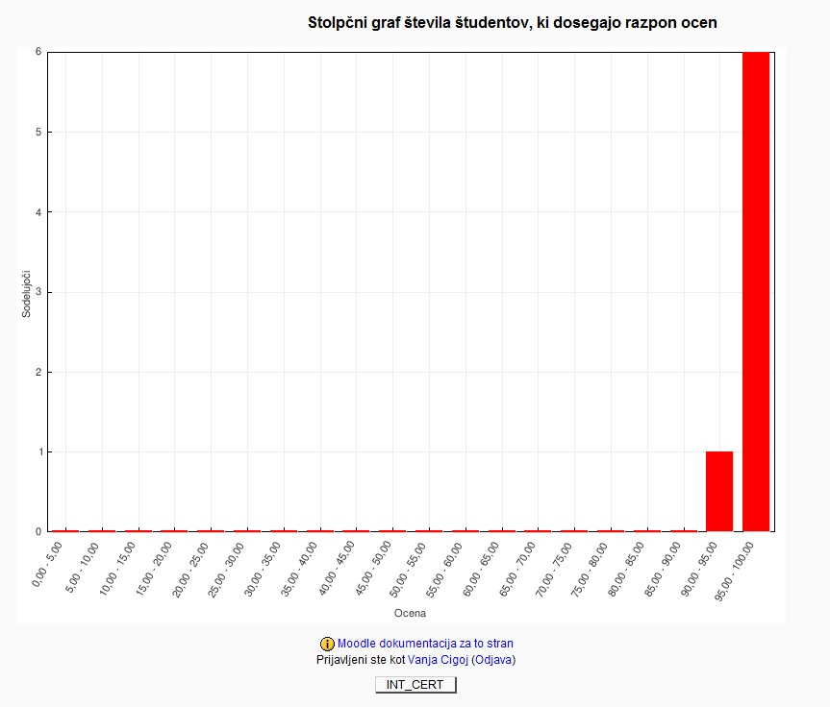

PAYROLL
Lista prisotnosti, 24 - 26.4.2012, PAYROLL
Interno certificiranje

Treshold
51% | JUNIOR CONSULTANT PAYROLL GENERAL (knowledge of legislation is not tested) |  |  | (+needed extra components for SD: Human resources)
75% | JUNIOR CONSULTANT PAYROLL GENERAL (knowledge of legislation is not tested) |  |  | (+needed extra components for SD: Human resources)
90% | PA SPECIALIST PAYROLL GENERAL (knowledge of legislation is not tested) |  |  | (90% PAYROLL)

Modul | Ime in priimek | država | rezultat
Payroll | Janja Kern | SI | 90%
Payroll | Jenny Dragozetić | HR | 90%
Payroll | Olga Spremić | SR | 95%
Payroll | Anja Nose | SI | 52%
Payroll | Marinela Ristovska | MK | 60%
Payroll | Irina Rizinska | MK | 65%
Payroll | Tamara Musterović | MN | 89%
Payroll | Jasmina Mehić | BA | 85%

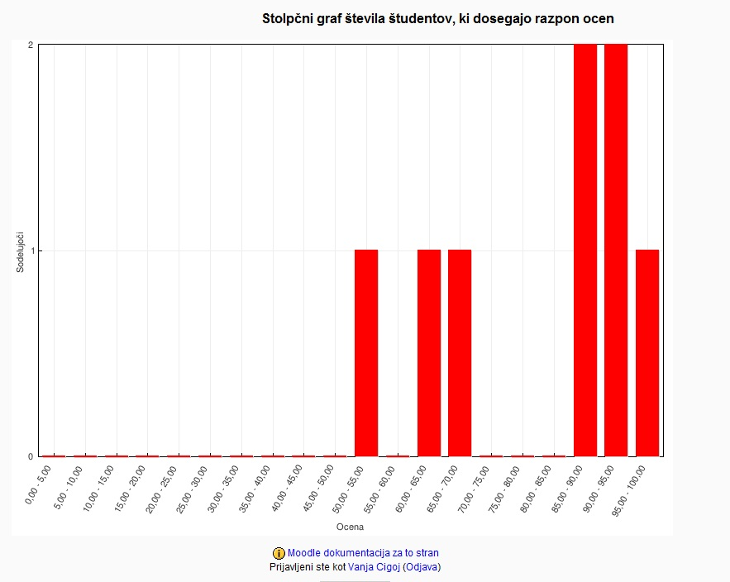

TRAVEL ORDERS
Lista prisotnosti, 24 - 26.4.2012, TRAVEL ORDERS
Interno certificiranje

Treshold
51% | JUNIOR CONSULTANT (needed component of HR certificate)
75% | SENIOR CONSULTANT (needed componet of HR certificate)
90% | PA SPECIALIST

Modul | Ime in priimek | država | rezultat
Travel Orders | Jennifer Dragozetić | HR | 100%
Travel Orders | Marinela Ristovska | MK | 95%
Travel Orders | Irina Rizinska | MK | 100%
Travel Orders | Aleksander Hafner | SI | 85%
Travel Orders | Jasmina Mehić | BA | 80%
Travel Orders | Janja Kern | SI | 100%

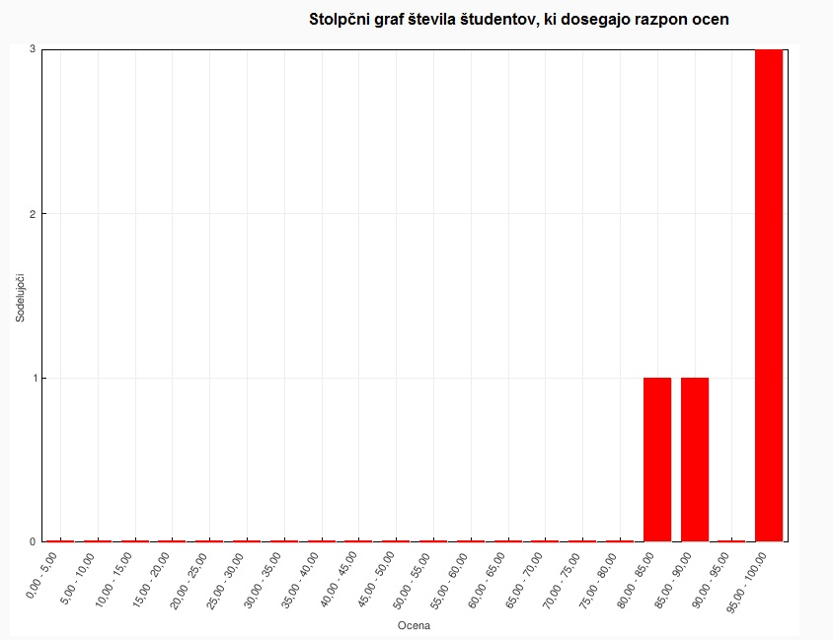

HR
Interno certificiranje, 24 - 26-4-2012, HR

Treshold
51% | JUNIOR CONSULTANT HUMAN RESOURCES GENERAL (knowledge of legislation is not tested) |  |  | (+needed extra components for SD: Travel Orders)
75% | JUNIOR CONSULTANT HUMAN RESOURCES GENERAL (knowledge of legislation is not tested) |  |  | (+needed extra components for SD: Travel Orders)
90% | PA SPECIALIST HUMAN RESOURCES GENERAL (knowledge of legislation is not tested) |  |  | (90% HR)

Modul | Ime in priimek | država | rezultat
HR | Olga Spremić | SR | 90%
HR | Anja Nose | SI | 75%
HR | Janja Kern | SI | 100%
HR | Tamara Musterović | MN | 90%
HR | Jennifer Dragozetić | HR | 95%
HR | Irina Rizinska | MK | 63%
HR | Marinela Ristovska | MK | 63%
HR | Aleksander Hafner | SI | 65%
HR | Jasmina Mehić | BA | 90%

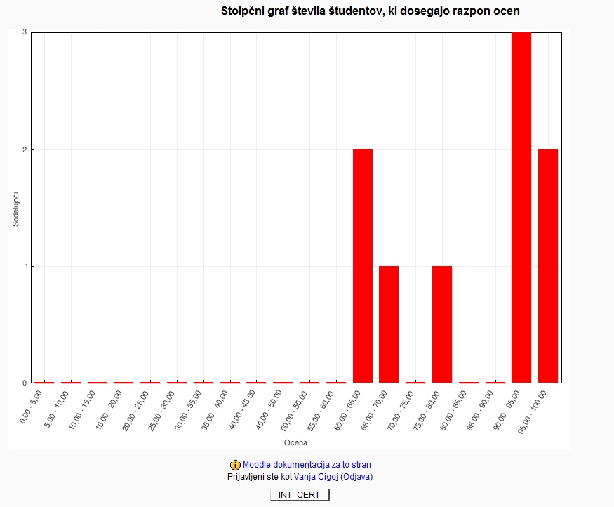

PAGENERAL_SISTEM
Lista prisotnosti, 24 - 26.4.2012, PA GENERAL, SISTEM
Interno certificiranje

Treshold
51% | JUNIOR CONSULTANT
75% | SENIOR CONSULTANT
90% | PA SPECIALIST

Modul | Ime in priimek | država | rezultat
PA SPLOŠNO/SISTEM | Milica Petrova | MK | 83%
PA SPLOŠNO/SISTEM | Ema Toševska | MK | 87%
PA SPLOŠNO/SISTEM | Slavica Simić | SR | 97%
PA SPLOŠNO/SISTEM | Miroslav Milanović | SR | 97%
PA SPLOŠNO/SISTEM | Elvis Musić | MN | 83%
PA SPLOŠNO/SISTEM | Nikola Obradović | MN | 94%
PA SPLOŠNO/SISTEM | Sretan Bošković | MN | 83%
PA SPLOŠNO/SISTEM | Vladimir Paunović | SR | 97%
PA SPLOŠNO/SISTEM | Jennifere Dragozetić | HR | 67%
PA SPLOŠNO/SISTEM | Aneta Dolinska | MK | 70%
PA SPLOŠNO/SISTEM | IRina Rizinska | MK | 100%
PA SPLOŠNO/SISTEM | Ivana Dimitrijevic | MK | 75%
PA SPLOŠNO/SISTEM | Marinela Ristovska | MK | 84%
PA SPLOŠNO/SISTEM | Danko Obradović | MN | 84%
PA SPLOŠNO/SISTEM | Tamara Musterović | MN | 84%
PA SPLOŠNO/SISTEM | Jasmina Mehić | BA | 81%
PA SPLOŠNO/SISTEM | Emir Špijodić | BA | 79%
PA SPLOŠNO/SISTEM | Elvis Hadžić | BA | 87%
PA SPLOŠNO/SISTEM | Melisa Smajić | BA | 87%
PA SPLOŠNO/SISTEM | Saša Jaklin | HR | 95%
PA SPLOŠNO/SISTEM | Dalibor Tasevski | MK | 84%
PA SPLOŠNO/SISTEM | Svetlana Atanasovska Trajkovska | MK | 65%
PA SPLOŠNO/SISTEM | Stefanija Simić | MK | 87%
PA SPLOŠNO/SISTEM | Marija Lazarevska | MK | 75%
PA SPLOŠNO/SISTEM | Ljiljana Vujičić | SR | 95%
PA SPLOŠNO/SISTEM | Emilija Petkovska | MK | 97%
PA SPLOŠNO/SISTEM | Olga Spremić | SR | 97%
PA SPLOŠNO/SISTEM | Leonida Kraševec | SI | 85%
PA SPLOŠNO/SISTEM | Aleksander Hafner | SI | 78%
PA SPLOŠNO/SISTEM | Boštjan Mahkovec | SI | 94%
PA SPLOŠNO/SISTEM | Brigita Meglič | SI | 100%
PA SPLOŠNO/SISTEM | Andrej Črne | SI | 88%
PA SPLOŠNO/SISTEM | Miha Zalokar | SI | 90%
PA SPLOŠNO/SISTEM | Vesna Rota Lebar | SI | 47%
PA SPLOŠNO/SISTEM | Anja Nose | SI | 85%

SI |  |  |  | ALL

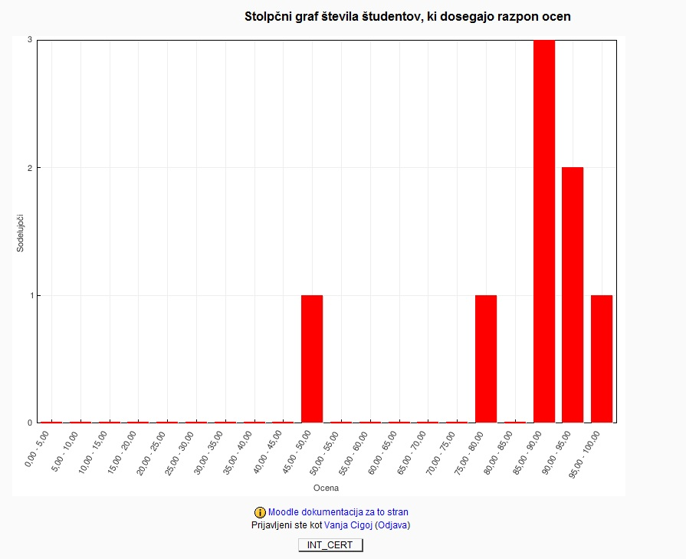
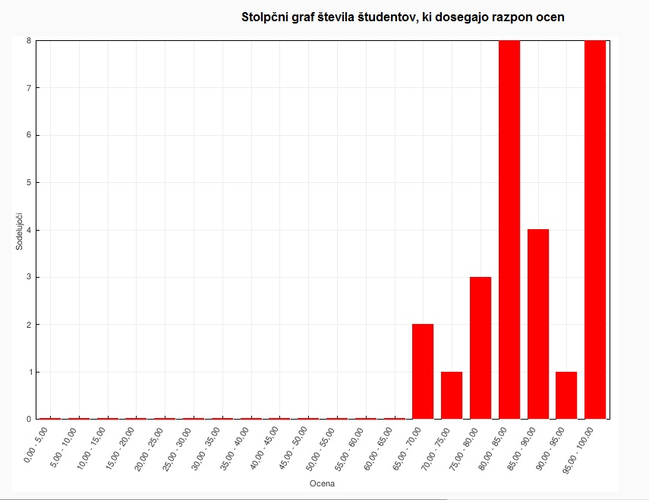

PROIZ_SE_ME
Lista prisotnosti, 24 - 26.4.2012, PROIZVODNJA SE
Interno certificiranje

Treshold
51% | JUNIOR CONSULTANT
75% | SENIOR CONSULTANT
90% | PA SPECIALIST

Modul | Ime in priimek | država | rezultat
PROIZVODNJA SE ME | Jennifer Dragozetić | HR | 90.00%
PROIZVODNJA SE ME | Aneta Dolinska | MK | 80.00%
PROIZVODNJA SE ME | Danko Obradović | MN | 72.00%
PROIZVODNJA SE ME | Sretan Bošković | MN | 100.00%
PROIZVODNJA SE ME | Nikola Obradović | MN | 94.00%
PROIZVODNJA SE ME | Vladimir Paunović | SR | 100.00%
PROIZVODNJA SE ME | Miroslav Milanović | SR | 84.00%

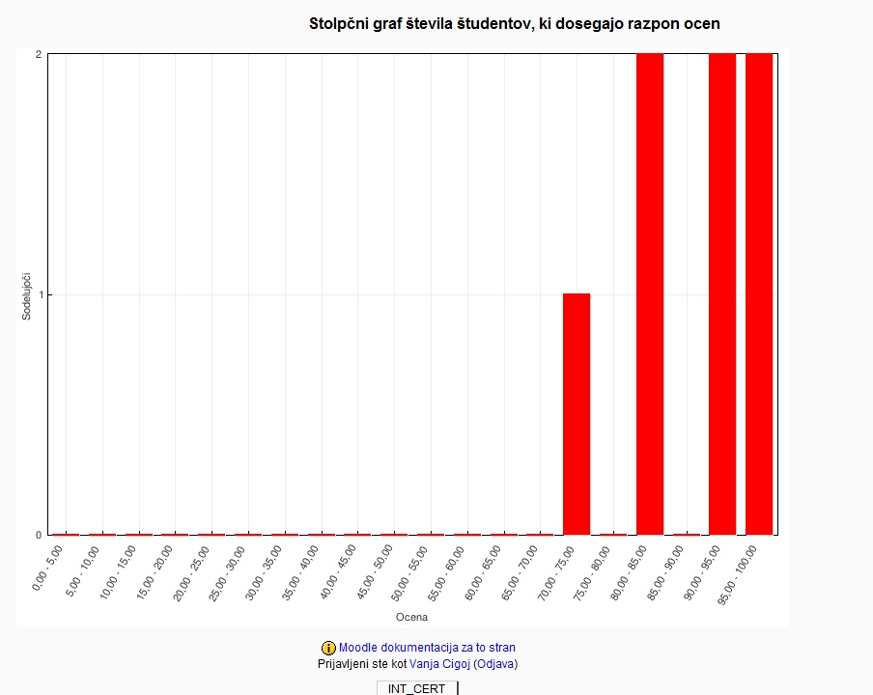

PROIZ_MF
...
Treshold
51% | JUNIOR CONSULTANT
75% | SENIOR CONSULTANT
90% | PA SPECIALIST

Modul | Ime in priimek | država | rezultat
PROIZVODNJA MF | Jennifer Dragozetič | HR | 58.00%

